Title Page
[Customer Demographics]

Project Name: Instacart Customer Demographics
Date: 11/4/2020
Analyst Name: Elizabeth Decker

Contents:
Data Citation
Population Flow
Consistency checks
Wrangling steps
Column derivations
Visualizations
Recommendations

2. Population Flow
Population flow

Exclusion flag
Condition: max_order < 5
Obervations to be removed: 1,441,548
Final total count of order_products_all: 30,992,664

Orders_products_combined
Orders_products_merged
Orders_products_all
Total: 32,434,212 rows
\

Total: 32,434,489 rows
Total: 32,434,212 rows

1.) The grey boxes in the first row of the population flow represent the original data sets as they were when you downloaded them. In the Total fields you need to add the count of the rows when you imported the data set into Jupyter.
2.) The second row of boxes (coloured) represents the data sets after you manipulated them, e.g., removed missing values and duplicates. In the Total fields you need to add the count of the rows after conducting these operations. This offers a visual oveview of how the data flows throughout the data consistency checks.
3.) The third row, where also the arrows are coloured, represents the merges you performed between the datasets. In the Total fields you need to add the count of the rows in the merged datasets, so that you end up with the final dataset (in the red box). Keep in mind the final dataset should be without exclusions (based on the exclusion flag).
 | 0 | 0

3. Consistency checks
Consistency checks

Dataset | Missing values | Missing values treatment | Duplicates
orders | 206209 | new variable created to explain why values are missing | 0
products | 16 | values removed | 5
orders_products_prior | 0 |  | 0
customers | 11259 | All customer names removed since they are PII | 0

4. Wrangling steps
Wrangling steps

Columns dropped | Columns renamed | Columns' type changed | Comment/Reason
Eval_set' |  |  | Irrelevant information
 | order_dow' : 'orders_day_of_week' |  | Unclear wording
 |  | order_id' to string | numeric values, but are need to be treated as decriptive values
 | order_number' : 'customer_order_number' |  | number refers to the number of orders the customer has placed, not overall instacart order number
'Unnamed: 0' |  |  | additional index from previous merge
'_merge' |  |  | merge column from previous merge
Unnamed: 0' |  |  | additional index from previous merge
'Unnamed: 0.1' |  |  | additional index from previous merge
 | 'Gender' : 'gender' |  | renamed to keep column naming consistent
 | 'STATE' : 'state' |  | renamed to keep column naming consistent
 | 'n_dependants' : 'dependents' |  | renamed to keep column naming consistent
 | 'First Name' : 'first_name' |  | renamed to keep column naming consistent
 | Surnam' : 'last_name' |  | renamed to keep column naming consistent
 | 'fam_status' : 'marital_status' |  | renamed to keep column naming consistent
merged','activity_category','spending_category','behavior_category','income_category','aged', 'Age_Profile_x', '_merge' |  |  | dropped unnecessary columns

5. Column derivations
Column derivations and aggregations

Dataset | New column | Column/s it was derived from | Conditions
Orders | customer_status' | days_since_prior_order' | if (pd.isnull(x)): return 'New Customer' else: return 'Returning Customer'
ords_prods_merged | 'Busiest_days' | orders_day_of_week | if value = 0 or 1:"Busiest days", if value = 3 or 4: "Slowest days", else:"Regularly busy"
ords_prods_merged | 'price_range_loc' | prices' | if 'price'<=5: 'Low-range product', if 'price'>5 and 'price'<=15:'Mid-range product', if 'price'>15: 'High-range product'
ords_prods_merged | 'busiest_period_of_day' | 'order_hour_of_day' | if (value==10,11,15,14,13,12): "Most orders", if (value == 0,1,5,2,4,3):"Fewest orders", else:"Average orders"
ords_prods_merged | max_order' | user_id' and 'order_number' | groupby, transform(np.max)
ords_prods_merged | 'loyalty_flag' | max_order' | ['max_order']>40: 'Loyal Customer', ['max_order']<=10: 'New Customer', ['max_order']<=40 & ['max_order']>10: 'Regular Customer'
ords_prods_merged | 'spending_flag' | user_id' and 'order_number' | spending_category= df.groupby(['user_id'])['order_number'].transform('sum'), if 'spending_category'>=10: 'High Spender', 'spending_category'<10: 'Low Spender'
ords_prods_merged | 'behavior_flag' | user_id' and 'days_since_prior_order' | behavior_category'= df.groupby(['user_id'])['days_since_prior_order'].transform('median'), if 'behavior_category'>20: 'Non-frequent customer', ['behavior_category']<=20 & ['behavior_category']>10: 'Regular Customer', 'behavior_category'<=10: 'Frequent customer'
ords_prods_all | country_region' | state' | regions = [], for value in df["state"]: if (value == "Maine" or value == "Vermont" or value == "New Hampshire" or value =="Massachusetts" or value =="Rhode Island" or value =="Connecticut" or value == "New York" or value== "Pennsylvania" or value == "New Jersey" ): regions.append("North East"), elif (value == "Wisconsin" or value== "Michigan" or value== "Illinois" or value== "Indiana" or value== "Ohio" or value== "North Dakota" or value== "South Dakota" or value== "Nebraska" or value== "Kansas" or value== "Minnesota" or value== "Iowa" or value== "Missouri"): regions.append("Mid West"), elif (value == "Delaware" or value== "Maryland" or value== "District of Columbia" or value== "Virginia" or value== "West Virginia" or value== "North Carolina" or value== "South Carolina" or value== "Georgia" or value== "Florida" or value== "Kentucky" or value== "Tennessee" or value== "Mississippi" or value== "Alabama" or value== "Oklahoma" or value== "Texas" or value== "Arkansas" or value== "Louisiana"): regions.append("South"), elif (value == "Idaho" or value== "Montana" or value== "Wyoming" or value== "Nevada" or value== "Utah" or value== "Colorado" or value == "Arizona" or value== "New Mexico" or value== "Alaska" or value== "Washington" or value== "Oregon" or value== "California" or value== "Hawaii"): regions.append("West"), else: regions.append("Error")
ords_prods_all | 'activity_flag' | user_id', 'order_number' | df['activity_category'] = df.groupby(['user_id'])['order_number'].transform('max'), df.loc[df['activity_category']>=5, 'activity_flag']= 'High Activity' df.loc[df['activity_category']<5, 'activity_flag']= 'Low Activity'
ords_prods_all | 'Income_Profile' | user_id', 'income' | df['income_category'] = df.groupby(['user_id'])['income'].transform('max'), df.loc[df['income_category']<=67289, 'income_flag']= 'Lower Income', df.loc[(df['income_category']<128101) & (df['income_category']>67289), 'income_flag']= 'Average Income', df.loc[df['income_category']>=128101, 'income_flag']= 'Higher Income'
ords_prods_all | 'Pet_Owner_Profile' | user_id', 'department_id' | if department_id=8, user is a pet owner
ords_prods_all | 'Age_Profile_y' | user_id', 'age' | df.loc[df['age']<40, 'Age_Profile']= 'Younger', df.loc[(df['age']<60) & (df['age']>=40), 'Age_Profile']= 'Middle Aged', df.loc[df['age']>=60, 'Age_Profile']= 'Older'
ords_prods_all | 'Family_Status_Profile' | dependents', 'user_id' | if dependents>0, user is in a family
ords_prods_all | 'Diet_Profile' | department_id', 'user_id' | departmnt_id= 12,16,20: vegan, departmnt_id= 12 and department_id !=16,20 : vegetarian, department_id= 12: carnivores

6. Visualizations
Visualisations

In this tab you should include all the visualtions from Exercises 4.9 and 4.10, alongside the questions from the project brief that they answer. Include any commentary on the relationship between different variables.

What are the busiest days of the week and hours of the day? This will help us know when to schedule ads, so they run at times when there are fewer orders.
Are certain types of products more popular than others? Which departments have the most ordered products?
Are there times of the day that customers spend the most money? This can inform the types of products advertised at these times.
Can we create a simpler price range groupings to help direct the efforts of the sales and marketing teams?
Key Questions:

Number of Orders Placed on Each Day
Number of Products Ordered in Each Department by Age Group
Number of Orders Placed Each Hour of the Day

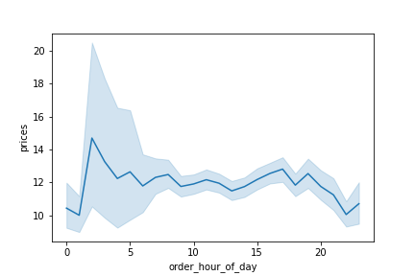
Average Price of Products Bought per Hour
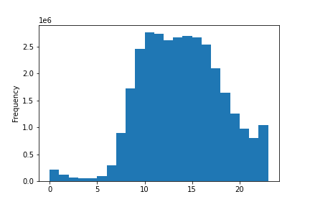
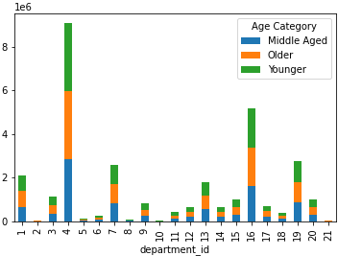
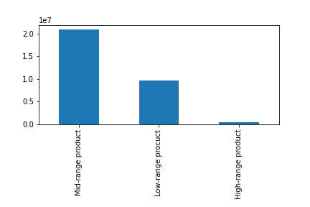
Produce

Dairy,
Eggs

Wednesday
Beverages
Canned Goods
Snacks
Saturday
Sunday
Monday
Thursday
Tuesday
Friday
Bakery
Dry Goods, Pasta
Household
Frozen
Internaltional
Personal Care
Meat, Seafood
Pantry
Deli
Other
Alcohol
Pets
Breakfast
Babies
Missing

We can see that the weekends are the most popular time for placing orders, with mid-week days having the least amount of orders placed.
Bulk

Orders are most commonly placed between 9 am and 4 pm, with the early morning hours having the fewest orders.

Produce is by far the most popular product category, followed by dairy, snacks and beverages.
The most expensive products are bought at 2 am while the cheapest products are bought during the hours of 10 pm to 1 am.
The majority of products are in the mid-range price category, meaning they cost between $15 and $5.

Brand Loyalty
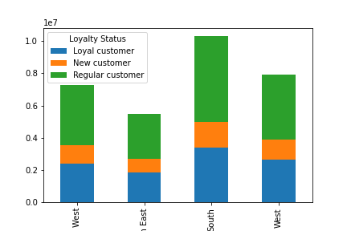
Loyalty Status by Region
Average Price of Products Bought by Age
Brand Loyalty by Income Level
How do the ordering habits differ between different types of customers?
brand loyalty (days between orders)
loyalty status
ordering habits by region
connection between age and family status' ordering habits
what are the different classifications
any differentces in ordering habits of customer profiles?
price of orders, order frequency, products
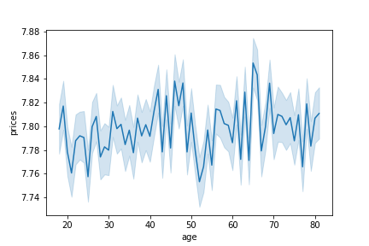
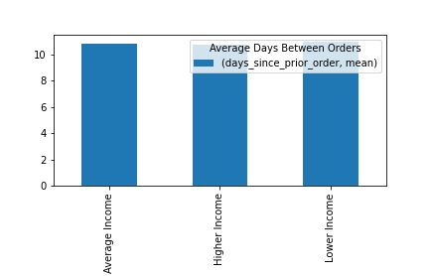
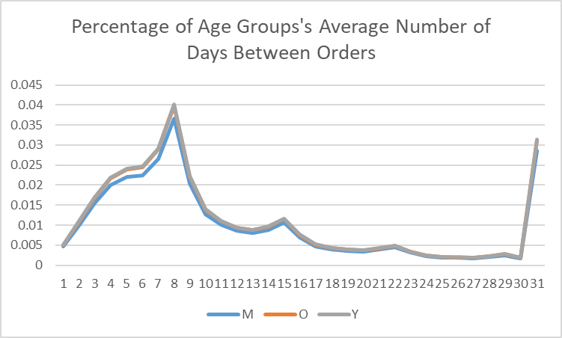

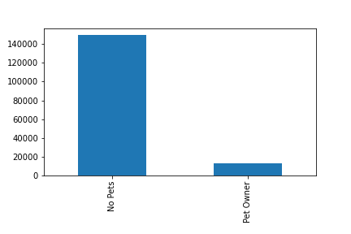
Pet Owner Profile Distribution

Middle aged customers tend to wait longer to order while younger and older customers usually order slightly more often.

The price of products bought steadily increases until the late 40's when the price of products bought decreases and then begins to increase again in the mid-50's, hitting its peak in the mid-60's.
Income appears to have no impact on the customers' days between orders.

Ordering Habits by Region
The department that has the most sales is produce for all four regions. For the Mid West, North East, and South the department with the least amount of sales is bulk, while the West buys products from the other department the least.
Loyalty by Family Status
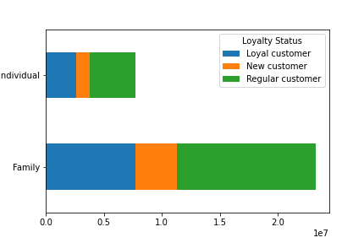
Average Price of Products Bought by Each Income Category
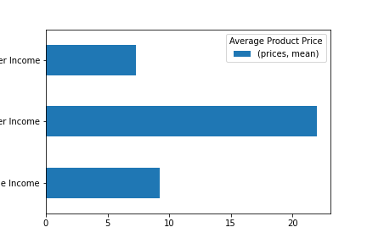

The majority of Instacart's customers are not pet owners.
 | I | I | Lower Income

Customer Family Status Distribution
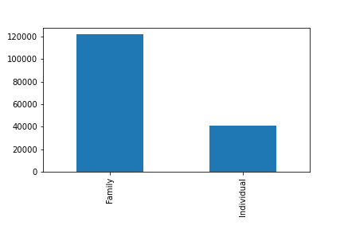
 |  |  | Higher Income

 |  |  | Average Income

Loyalty status is not impacted by family status or region.
The price of products bought by lower and average income customers is very similar while the price of products bought by higher income customers is over twice the price of products bought by other customers.

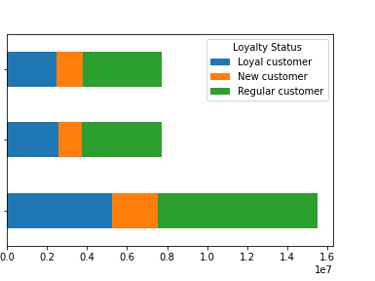
Loyalty Status by Income

The majority of Instacart's users are ordering for a family.
 |  | Lower Income

Customer Age Disrtibution
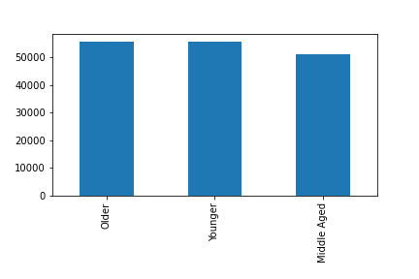
 |  | Higher Income

 |  | Average Income

The customer age distribution is similar across all categories, with slightly fewer customers being middle aged.

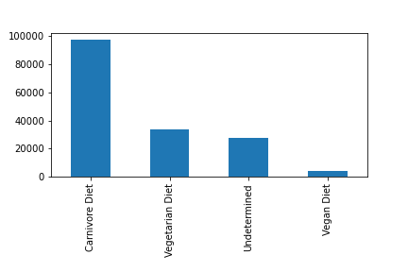
Customer Diet Distribution

The majority of Instacart customers are carnivores, with about 17% of customers being vegetarian and 0.5% being vegan.

Customer Wealth Distribution
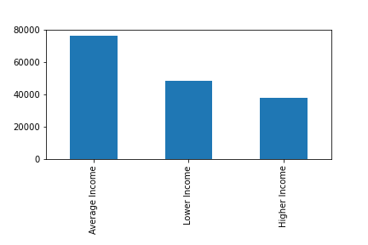

Average income is most common in Instacart customers, with a high income being the least common.

7. Recommendations
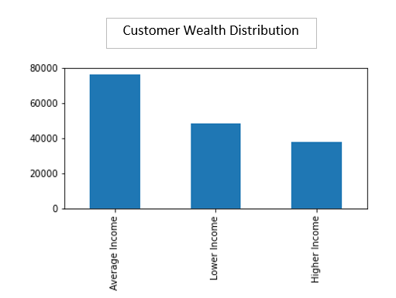
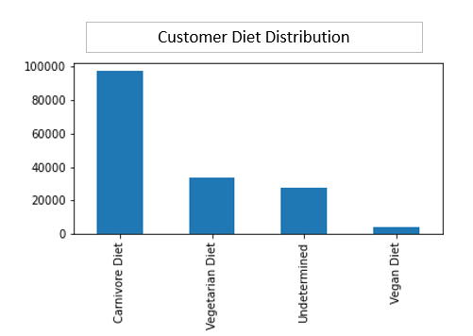
Recommendations

In this tab you should include any recommendations you would made to Instcart in terms of their marketing strategy based on the questions posed in the brief. Every key question has been covered in the Tasks of the Exercises - here you need to add an item - a visualisation or table/crosstable that is showing the answer in the data, acompanied by a comment from you. Please, list the questions below and add the answer underneath.

Number of Orders Placed on Each Day
Number of Orders Placed Each Hour of the Day
Question | Answer
The sales team needs to know what the busiest days of the week and hours of the day are (i.e., the days and times with the most orders) in order to schedule ads at times when there are fewer orders. | Ads should be scheduled for mid-week in the early morning(before 9 am) or the late afternoon (after 6 pm). | 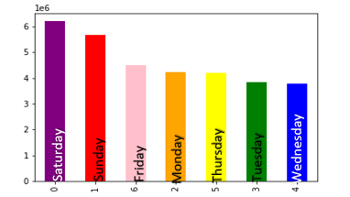 .

Amount of Products in Each Price Range
They also want to know whether there are particular times of the day when people spend the most money, as this might inform the type of products they advertise at these times. | The more expensive products should be advertised between 9 am and 1 pm, to increase their popularity during these hours. They could also be advertised from 10 pm to 1 am depending on customer app usage during that time.
 |  | 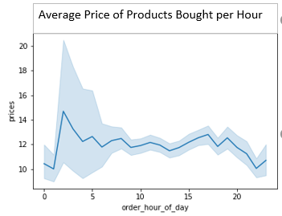
Instacart has a lot of products with different price tags. Marketing and sales want to use simpler price range groupings to help direct their efforts. | We can categorize products as: "Low-range priced product" when it is $5 or less, "Mid-range priced product" when it is $15 or less and over $5, and "High-range priced product" when it costs over $15.
 |  | 
Are there certain types of products that are more popular than others? The marketing and sales teams want to know which departments have the highest frequency of product orders. | Produce is by far the most popular product category, followed by dairy, snacks and beverages. We can see that the products are bought evenly between all age groups, so a customer's age should not be a factor in the advertising strategy. | 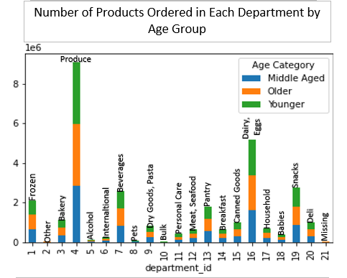

Are there differences in ordering habits based on a customer’s region? | The other and bulk departments have the least amount of sales in all four regions, and will need advertisement in order to increase sales

Average Price of Products Bought by Each Loyalty Group
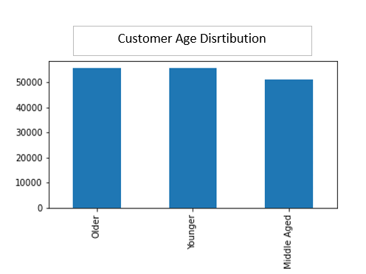
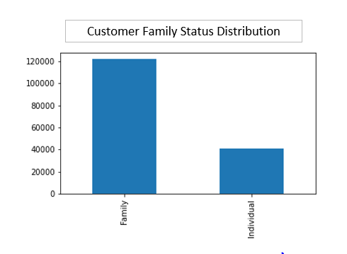
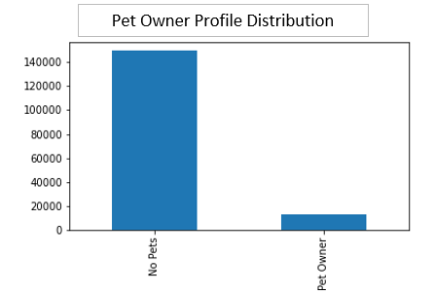
What differences can you find in ordering habits of different customer profiles? | Loyal customers spend the least money, so advertisements and promotions should be targeted toward loyal customers.
 |  | 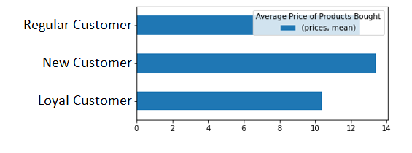
What different classifications does the demographic information suggest? Age? Income? Certain types of goods? Family status? | Based on the demographic information and customer order history, five customer profiles were derived: Age Category, Family Status, Pet Ownership, Wealth Category, and Diet.

